Лист1
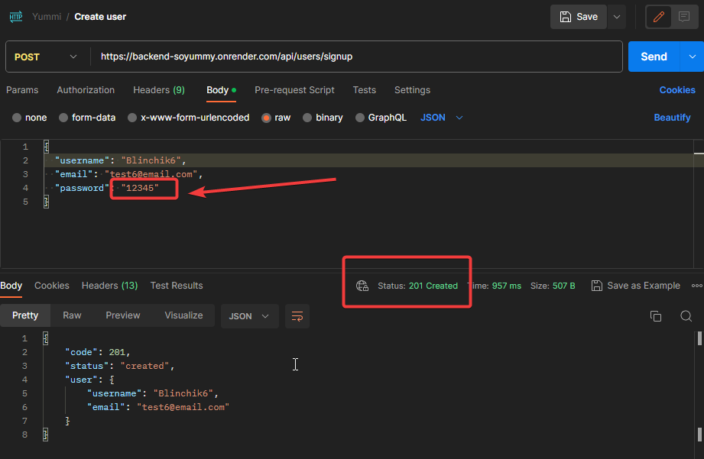
ID | 14.1
Reporter: | Valentyna Romanenko | Assignee: | Romanenko Valentyna | Status:
Type: | Functional (API) | Severity: | Low | Priority: | Low
Device Type: | Laptop
Tool: | Postman API | OS: | Windows | OS version | 10 (64)
Summary: | Create new user with invalid credentials (password without special character and large letter) results in 201 respond
Description: | User is created with any password, but front-end doesnot validate such user and doesn't allow for such user to sign in.
 | The same issue applies if only space is used for password.
Pre-conditions:
1
2
Steps to reproduce:
1 | POST request https://backend-soyummy.onrender.com/api/users/signup
2 | Body: { "username": "Blinchik6", "email": "test6@email.com", "password": "12345" }
3
4
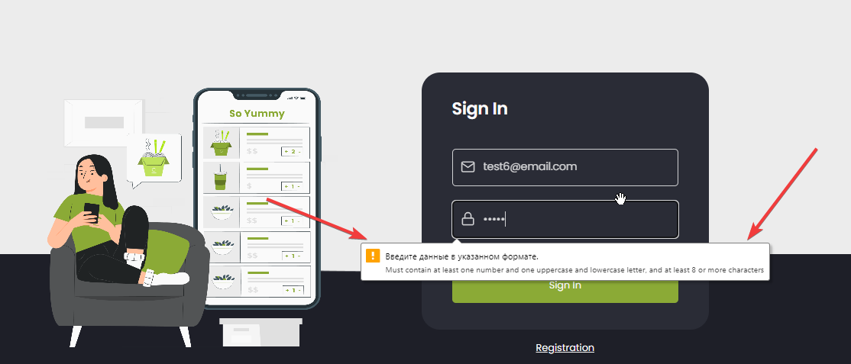
5
Actual result:
201 Created

Expected result:
400 Bad request (validation error)

Attachments: | https://i.imgur.com/tG5nTls.png https://i.imgur.com/gi4IE4U.png https://drive.google.com/file/d/1J_AjE_aLL45dl8YJaSEiSkAkgNWFHd9k/view?usp=drive_link
Additional info:
Swagger: https://backend-soyummy.onrender.com/api-docs/

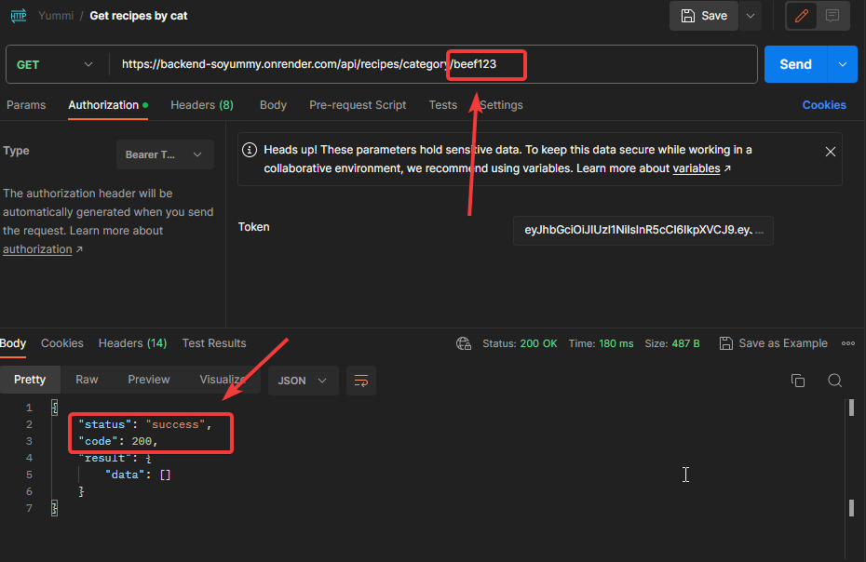
ID | 14.2
Reporter: | Valentyna Romanenko | Assignee: | Romanenko Valentyna | Status:
Type: | Functional (API) | Severity: | Low | Priority: | Low
Device Type: | Laptop
Tool: | Postman API | OS: | Windows | OS version | 10 (64)
Summary: | Get recipes by category with token and invalid (unexisting) category name returns 200
Description: | Swagger returns unexisting category page instead of 404 error.

Pre-conditions:
1
2
Steps to reproduce:
1 | GET request https://backend-soyummy.onrender.com/api/recipes/category/beef1234
2
3
4
5
Actual result:
200 ok

Expected result:
404 Category or recipes not found

Attachments: | https://i.imgur.com/Ud5aE9i.png https://drive.google.com/file/d/1J_AjE_aLL45dl8YJaSEiSkAkgNWFHd9k/view?usp=drive_link
Additional info:
Swagger: https://backend-soyummy.onrender.com/api-docs/

ID | 14.3
Reporter: | Valentyna Romanenko | Assignee: | Romanenko Valentyna | Status:
Type: | Functional (API) | Severity: | Low | Priority: | Low
Device Type: | Laptop
Tool: | Postman API | OS: | Windows | OS version | 10 (64)
Summary: | Add new owned recipe with invalid data (negative time value and negative ingredient measure) is 201
Description: | Time and measurement cannot be a negative value. Should receive 400 error.
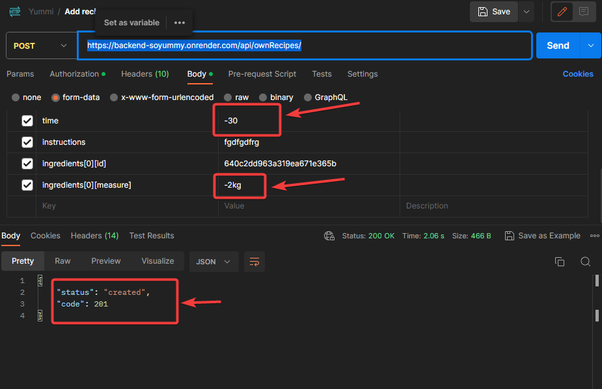
Pre-conditions:
1 | User is logged in and token is uploaded.
2
Steps to reproduce:
1 | POST https://backend-soyummy.onrender.com/api/ownRecipes/
2 | Enter random valed data for all fields.
3 | Enter negative time (-30)
4 | Enter negative measurement (-2kg)
5
Actual result:
201 Created

Expected result:
400 Bad request (validation error)

Attachments: | https://i.imgur.com/RktklT6.png
Additional info:
Swagger: https://backend-soyummy.onrender.com/api-docs/

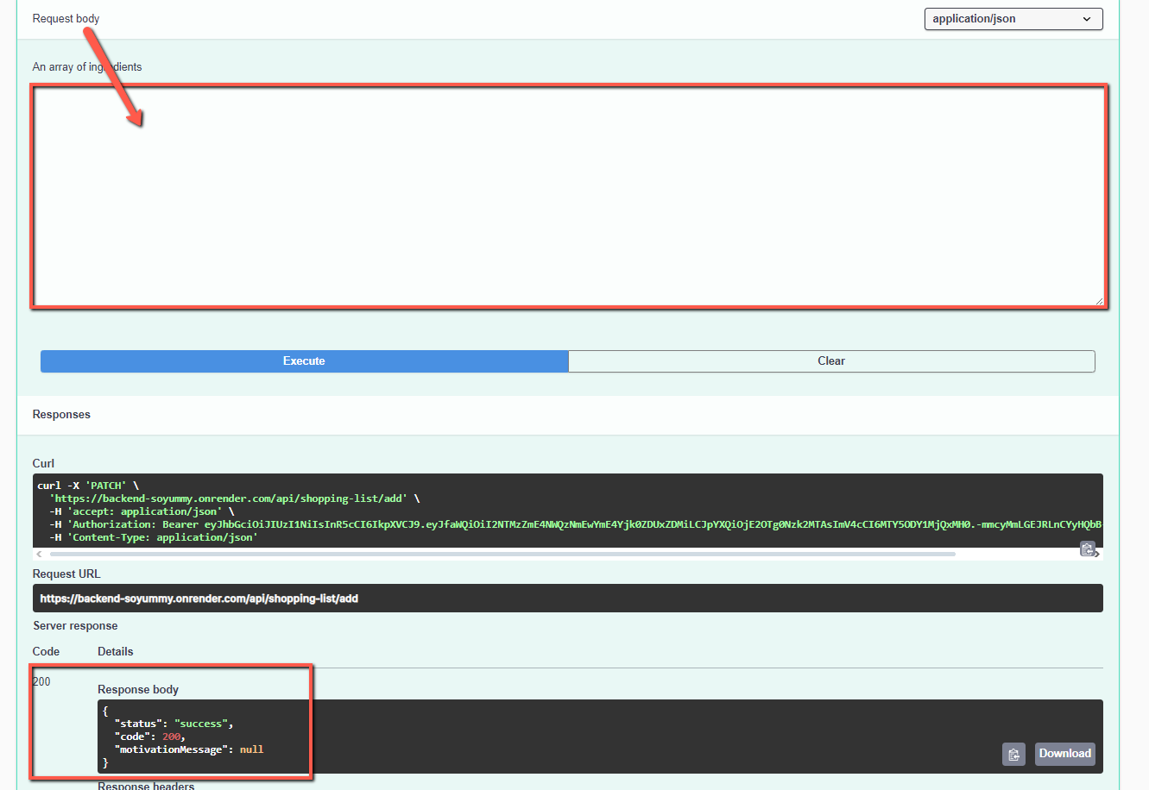

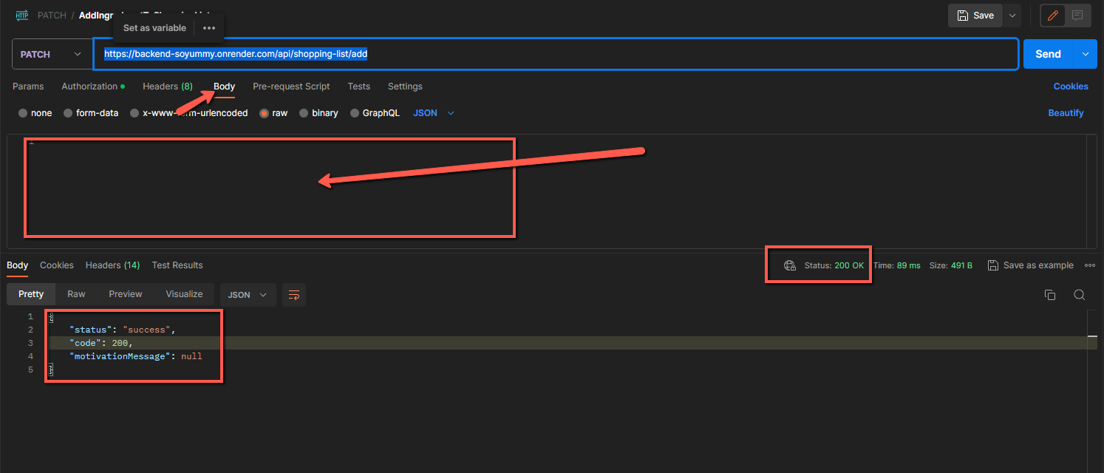
ID | 14.4
Reporter: | Valentyna Romanenko | Assignee: | Romanenko Valentyna | Status:
Type: | Functional (API) | Severity: | minor | Priority: | low
Device Type: | Desktop
Tool: | Postman API / Swagger UI | OS: | Windows | OS version | 10 (64)
Summary: | The ingredient is added to the shopping list if the request body is empty when sent
Description:

Pre-conditions:
1 | User is logged in and token is uploaded.
2 | Body is empty
Steps to reproduce:
1 | Choose "PATCH" method
2 | Paste "https://backend-soyummy.onrender.com/api/shopping-list/add" into the request field
3 | Click "Send" button
4
5
Actual result:
Status 200. The ingredient has been added to the shopping list.

Expected result:
Status 400 bad request. The ingredient was not added to the shopping list.

Attachments:
Additional info:
Swagger: https://backend-soyummy.onrender.com/api-docs/

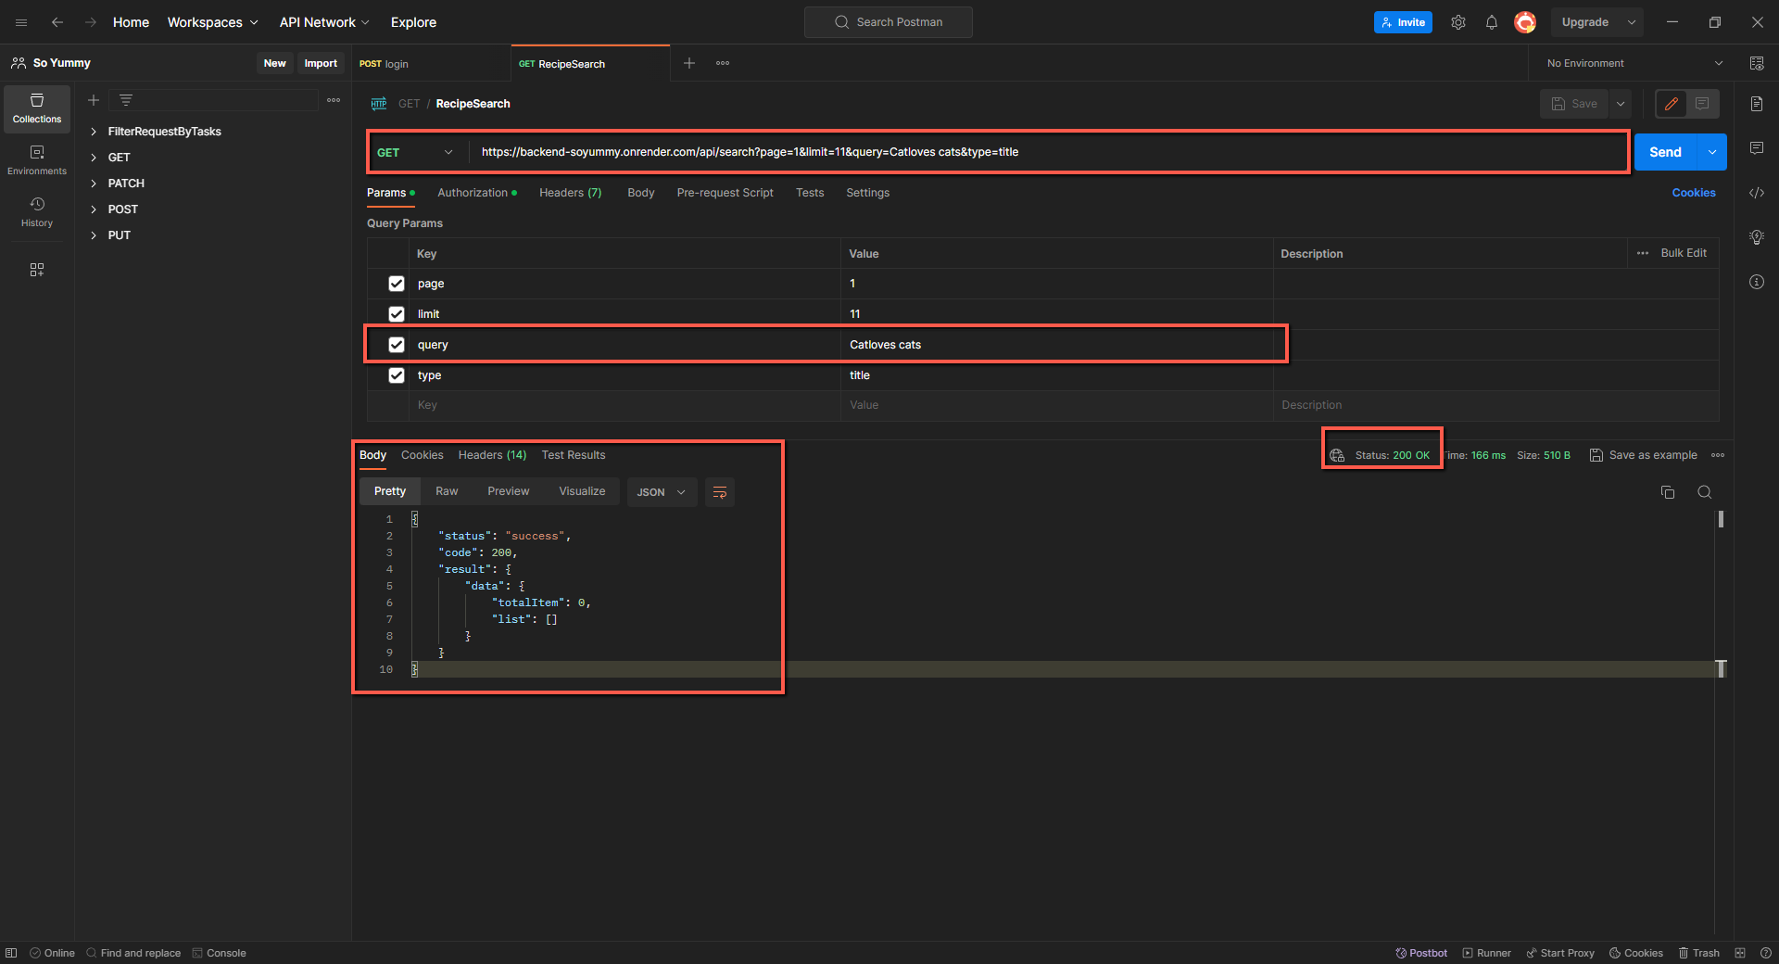
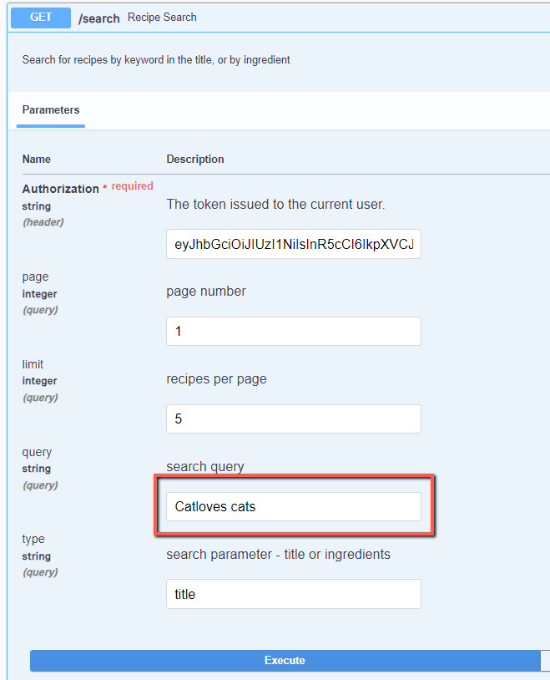
ID | 14.5
Reporter: | Valentyna Romanenko | Assignee: | Romanenko Valentyna | Status:
Type: | Functional (API) | Severity: | minor | Priority: | low
Device Type: | Desktop
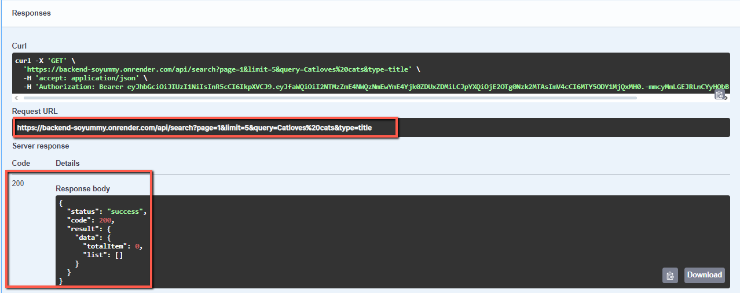
Tool: | Postman API / Swagger UI | OS: | Windows | OS version | 10 (64)
Summary: | The server respond to a search request that was not found with status 200
Description:

Pre-conditions:
1 | User is logged in and token is uploaded.
2
Steps to reproduce:
1 | Choose "GET" method
2 | Paste "https://backend-soyummy.onrender.com/api/search?page=1&limit=11&query=Catloves cats&type=title" into the request field
3 | Click "Send" button
4
5
Actual result:
Status 200. The json has been returned

Expected result:
The recipe was not found. Status 404 not found

Attachments:
Additional info:
Swagger: https://backend-soyummy.onrender.com/api-docs/

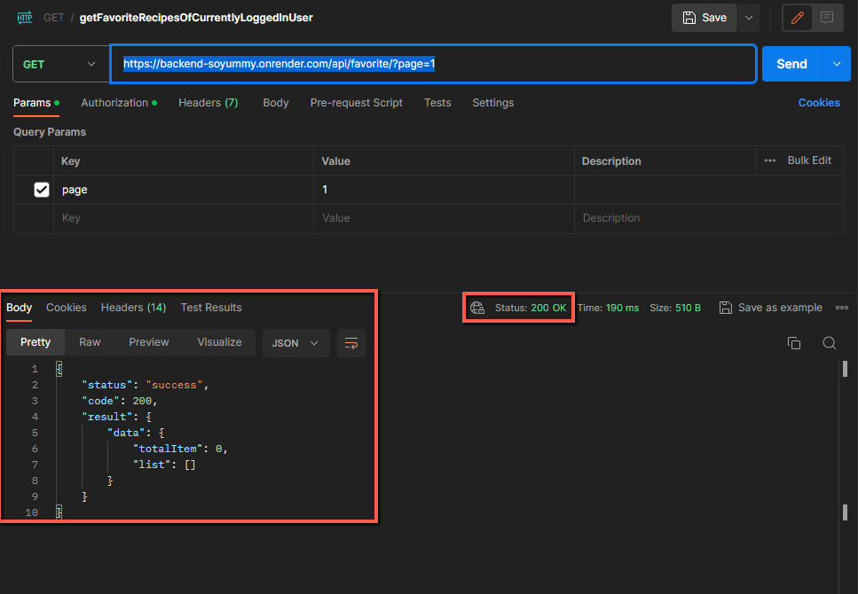
ID | 14.6
Reporter: | Valentyna Romanenko | Assignee: | Romanenko Valentyna | Status:
Type: | Functional (API) | Severity: | minor | Priority: | low
Device Type: | Desktop
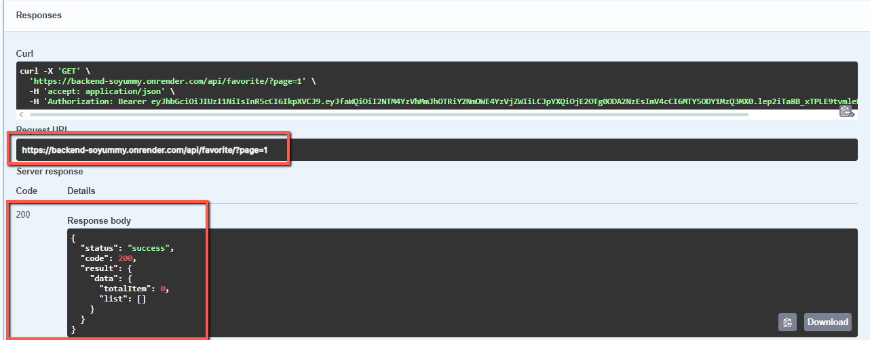
Tool: | Postman API / Swagger UI | OS: | Windows | OS version | 10 (64)
Summary: | Receiving an empty favorite list has status 200
Description:

Pre-conditions:
1 | User is logged in and token is uploaded.
2
Steps to reproduce:
1 | Choose "GET" method
2 | Paste "https://backend-soyummy.onrender.com/api/favorite/?page=1" into the request field
3 | Click "Send" button
4
5
Actual result:
Status 200. The json has been returned with empty recipe list in body response

Expected result:
Satus 400 with text message in response body "not found"

Attachments:
Additional info:
Swagger: https://backend-soyummy.onrender.com/api-docs/

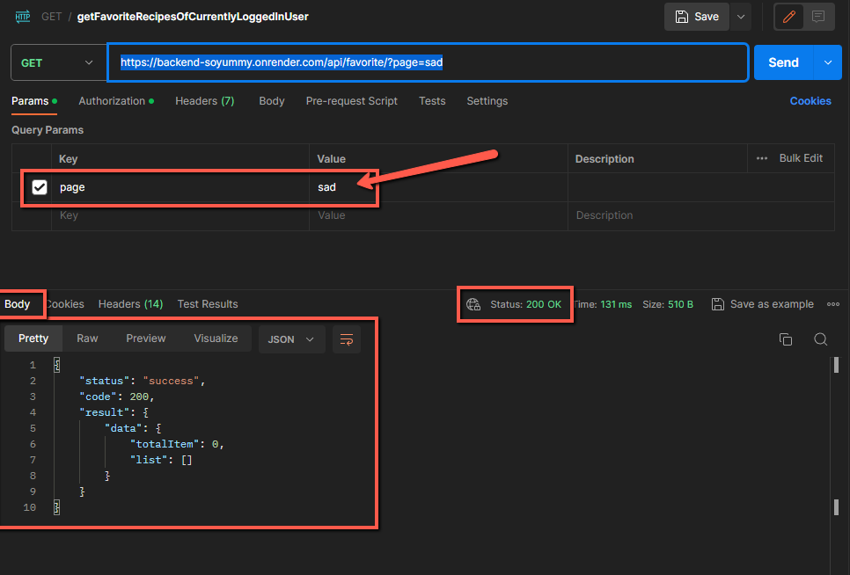
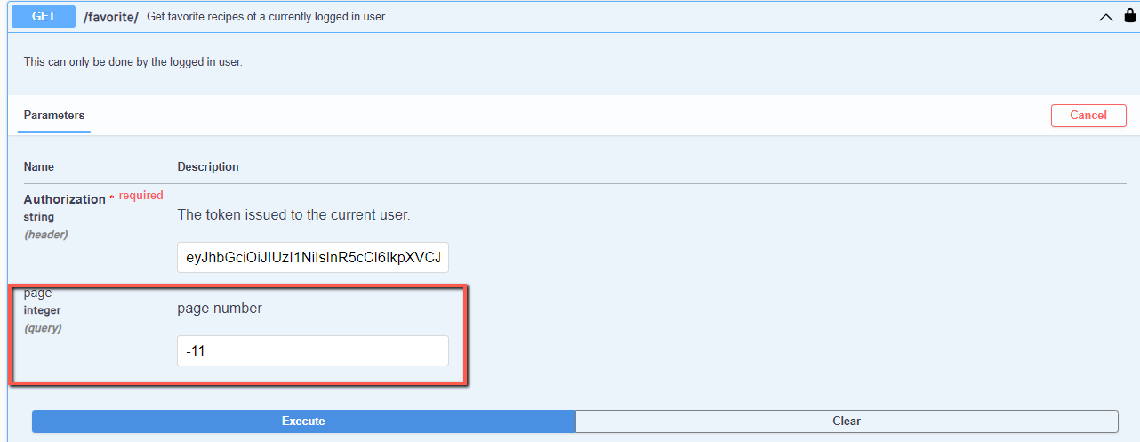
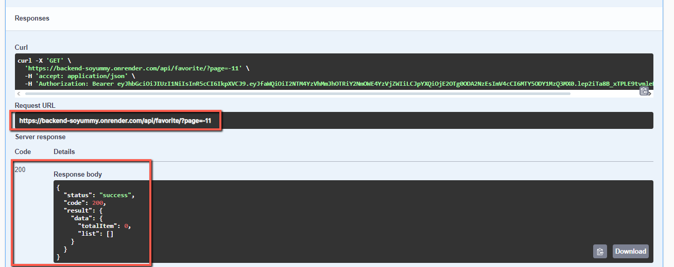
ID | 14.7
Reporter: | Valentyna Romanenko | Assignee: | Romanenko Valentyna | Status:
Type: | Functional (API) | Severity: | minor | Priority: | low
Device Type: | Desktop
Tool: | Postman API | OS: | Windows | OS version | 10 (64)
Summary: | Receiving a list of favorite recipes with an incorrect page parameter has status 200
Description:

Pre-conditions:
1 | User is logged in and token is uploaded.
2
Steps to reproduce:
1 | Choose "GET" method
2 | Paste "https://backend-soyummy.onrender.com/api/favorite/?page=sad" into the request field
3 | Click "Send" button
4
5
Actual result:
Status 200. Json has been returned with empty list of favorite recipes

Expected result:
400 Bad request

Attachments:
Additional info:
Swagger: https://backend-soyummy.onrender.com/api-docs/
In this bug, the "page" field is checked for a number, but not for a negative number

